Question 1
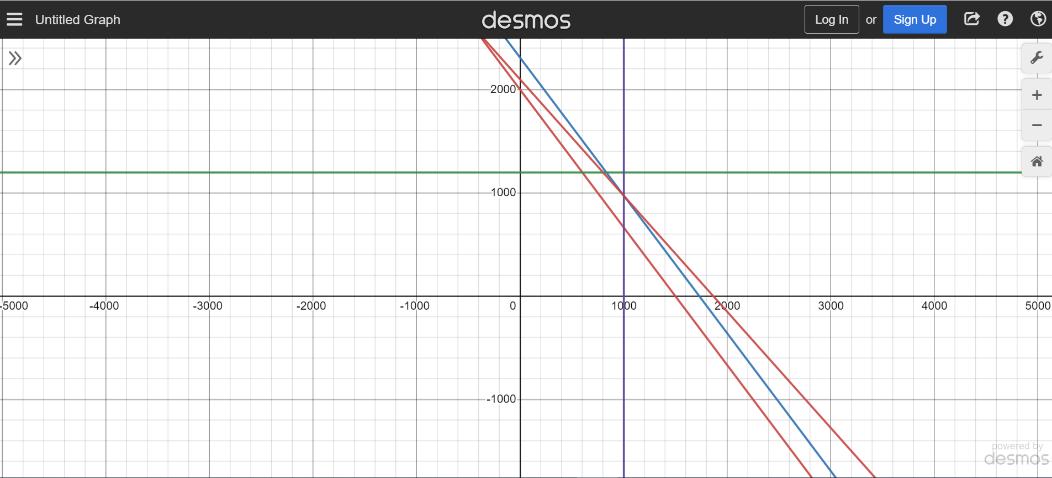
Assignment - Module 2 - TEJASVINI MAVULETI
Question 1)
 | Collegiate (x) | Mini (y)
Unit Profit | $32.00 | $24.00

 | Material and labor |  |  | Available
Nylon (sqft) | 3 | 2 | 50 | 5400
Labor (hrs) | 0.75 | 0.667 | 14.17 | 1400

 |  |  |  | Total profit
Say units produced is | 10 | 10 |  | 560

Sales forecast | 1000 | 1200

 |  |  |  | Total profit
Say units produced is | 1000 | 975 |  | 55400

Question 2
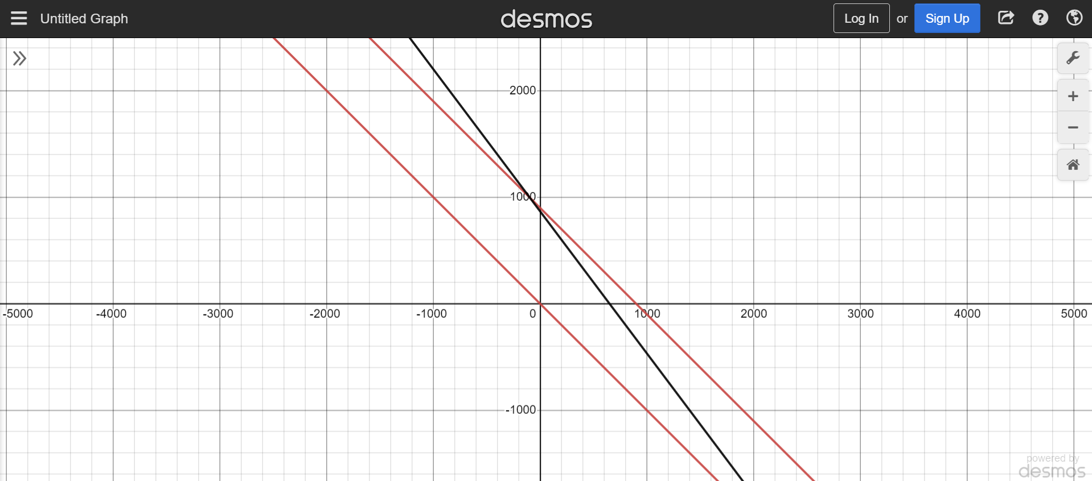
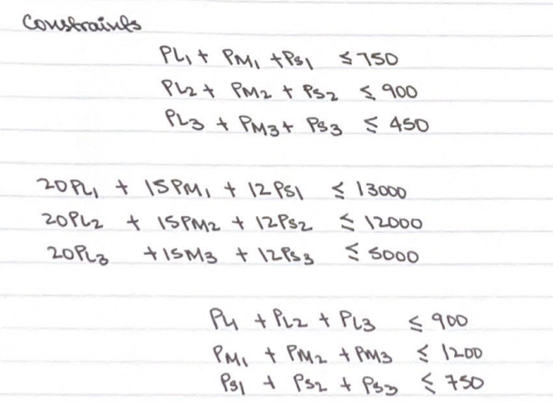
Question 2)
Decision variables |  | P1 | P2 | P3 | Constraints
 | S | PS1 | PS2 | PS3 | Maximize Z = 420L+360M+300S
 | M | PM1 | PM2 | PM3
 | L | PL1 | PL2 | PL3

